Sheet1
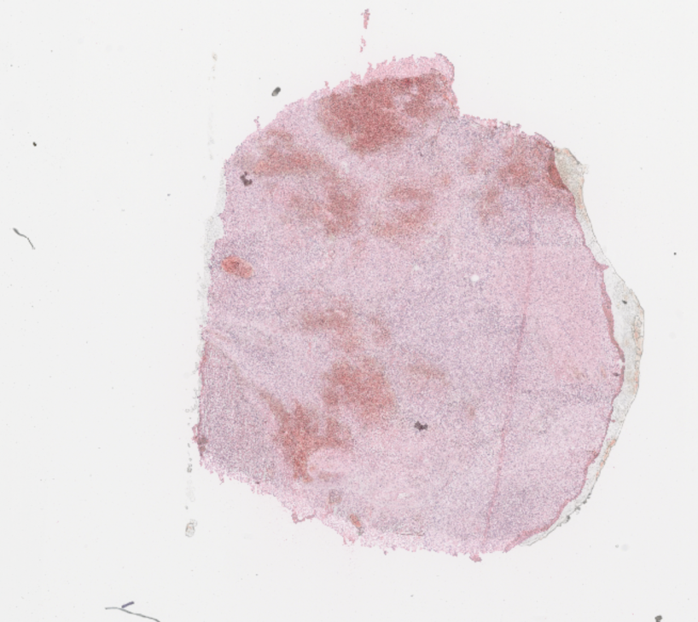
TransformationMatrix |  | EX_p2_t1-R2 | FolderName: | 24_Test_P15_r2

9.55609, | 0.63033, | -38018.49121,
-0.48945, | 9.36374, | -7526.64429
0 | 0 | 1

